Copy of 2017 Data analysis, Sta
2017 Data analysis, Statistics, and Probability
Question description | Question | Solution | Score and Description | Sample Responses | Incorrect answer - Student Response | Grade | Year | Block | Type | Difficulty | Percentage | Item Performance
Complete a circle graph to represent data in a table | 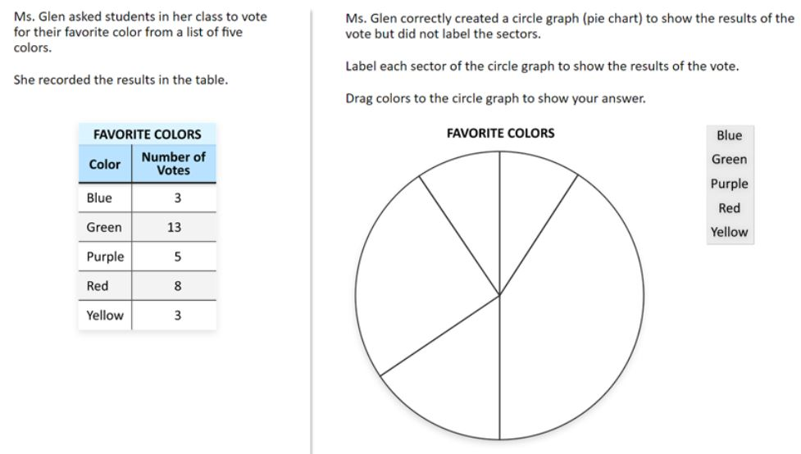 | 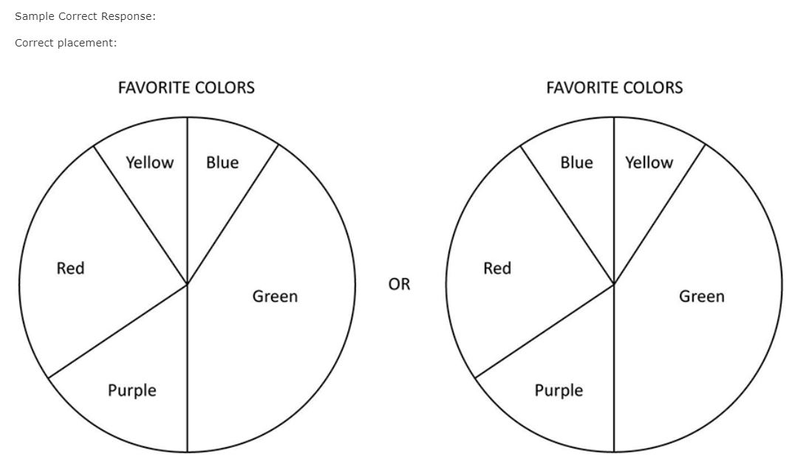 | Correct: Five colors correctly placed | No student responses are available for this question. | Incorrect: Incorrect response | 8 | 2017 | 8M3 | SR (Selected Response) | Easy | Correct: 94% Incorrect: 6% Omitted: rounds to zero Off task: rounds to zero

Evaluate a circle graph and bar graph to determine possible sets of data |  | Sample Correct Response: (a) Correct selections: B. 0, 1, 2, 3, 5, 6, 9, 11 D. 1, 1, 1, 1, 4, 4, 8, 8 (b) Answer: 1, 1, 3, 3, 4, 7, 8, 8 OR 1, 2, 3, 3, 4, 7, 8, 8 OR 2, 2, 3, 3, 4, 7, 8, 8 | Extended: Two correct selections and no incorrect selections for part (a) with a correct data set for part (b) Satisfactory: Two correct selections and one incorrect selection for part (a) with a correct data set for part (b) OR One correct selection and no incorrect selections for part (a) with a correct data set for part (b) Partial: Two correct selections and no incorrect selections for part (a) with an incorrect data set for part (b) OR Two correct selections and more than one incorrect selection for part (a) with a correct data set for part (b) OR One correct selection and one or more incorrect selections for part (a) with a correct data set for part (b) OR No correct selections for part (a) with a correct data set for part (b) Minimal: Two correct selections and one incorrect selection for part (a) with an incorrect data set for part (b) OR One correct selection and no incorrect selections for part (a) with an incorrect data set for part (b) | Extended - Student Response: | Incorrect: Two correct selections and more than one incorrect selection for part (a) with an incorrect data set for part (b) OR One correct selection and one or more incorrect selections for part (a) with an incorrect data set for part (b) OR No correct selections for part (a) with an incorrect data set for part (b) NOTE: Values do not need to be written in order from least to greatest. | 8 | 2017 | 8M3 | ECR (Extended Constructed Response) | Hard | Incorrect: 43% Minimal: 31% Partial: 16% Satisfactory: 3% Extended: 6% Omitted: 2% Off task: rounds to zero
 |  |  |  | 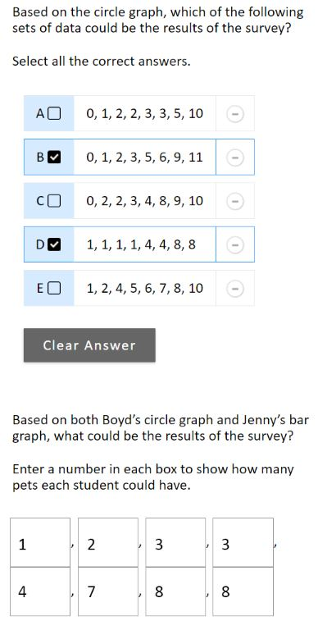
 |  |  |  | This extended response includes two correct selections for part (a) and a correct data set for part (b).
 |  |  |  | Satisfactory - Student Response 1 and 2: | Incorrect - Student Response 1 and 2:
 |  |  |  | 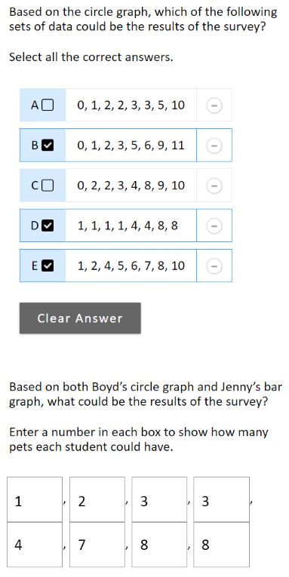 | 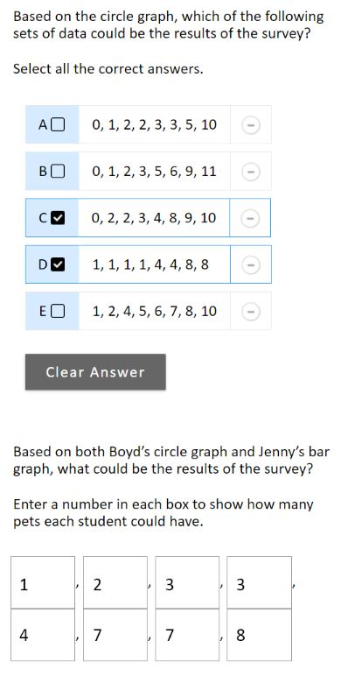
 |  |  |  | 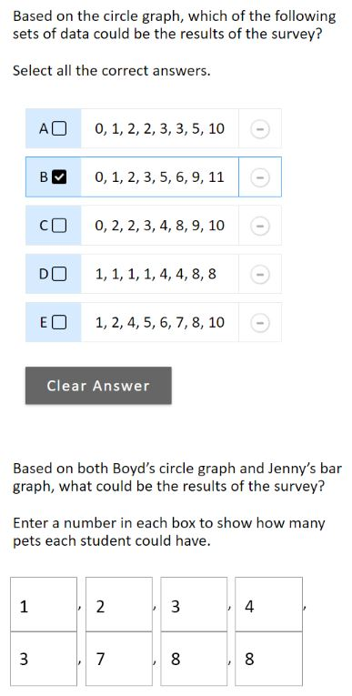 | 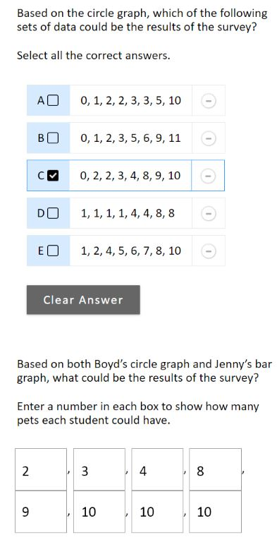
 |  |  |  | These satisfactory responses each include a partially correct part (a). The top response shows two correct selections with one incorrect selection for part (a) and a correct data set for part (b), while the bottom response shows one correct selection with no incorrect selections for part (a) and a correct data set for part (b). | These incorrect responses include incorrect selections and incorrect data sets. The top response shows one correct selection and one incorrect selection for part (a), which does not receive credit and an incorrect data set for part (b). The bottom response shows one incorrect selection for part (a) and an incorrect data set for part (b).
 |  |  |  | Partial - Student Response 1 and 2:
 |  |  |  | 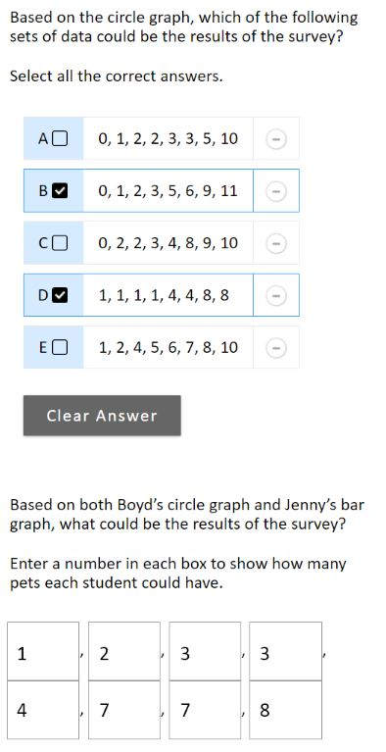
 |  |  |  | 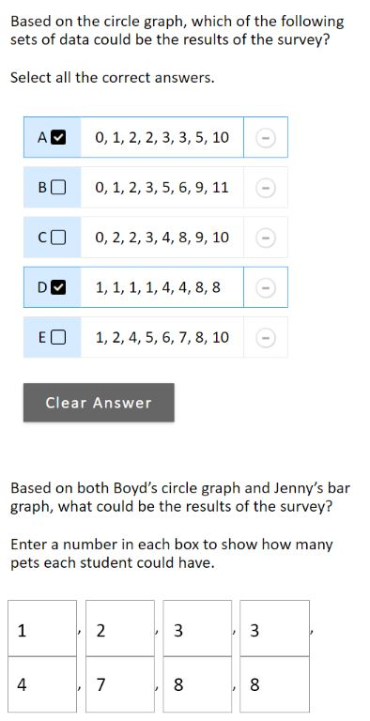
 |  |  |  | These partially acceptable responses include one correct part. The top response shows two correct selections with no incorrect selections for part (a) and an incorrect data set for part (b), while the bottom response shows one correct selection with one incorrect selection for part (a) and a correct data set for part (b).
 |  |  |  | Minimal - Student Response 1 and 2:
 |  |  |  | 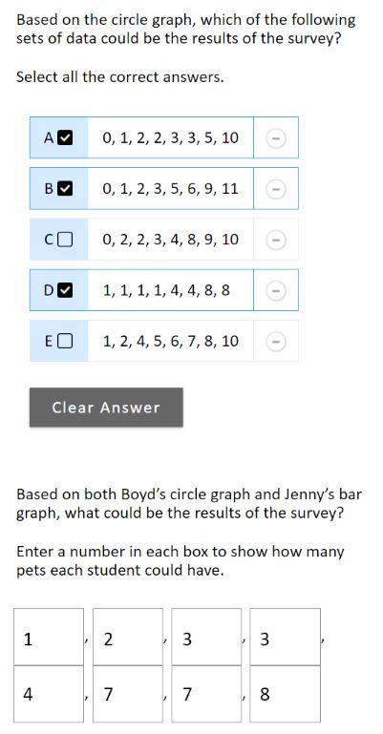
 |  |  |  | 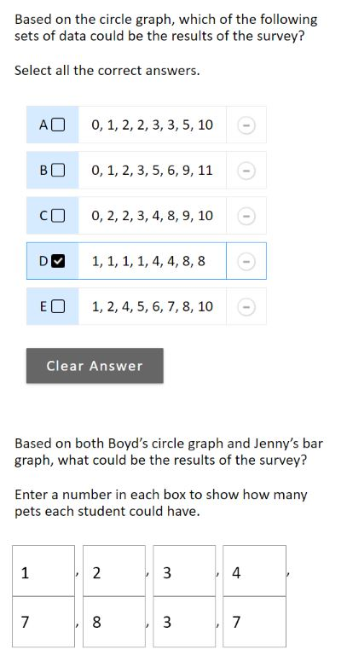
 |  |  |  | These responses receive a score of minimally correct. The top response shows two correct selections with one incorrect selection for part (a) and an incorrect data set for part (b), while the bottom response shows one correct selection for part (a) and an incorrect data set for part (b).

Match box plots to given stem-and-leaf plots | 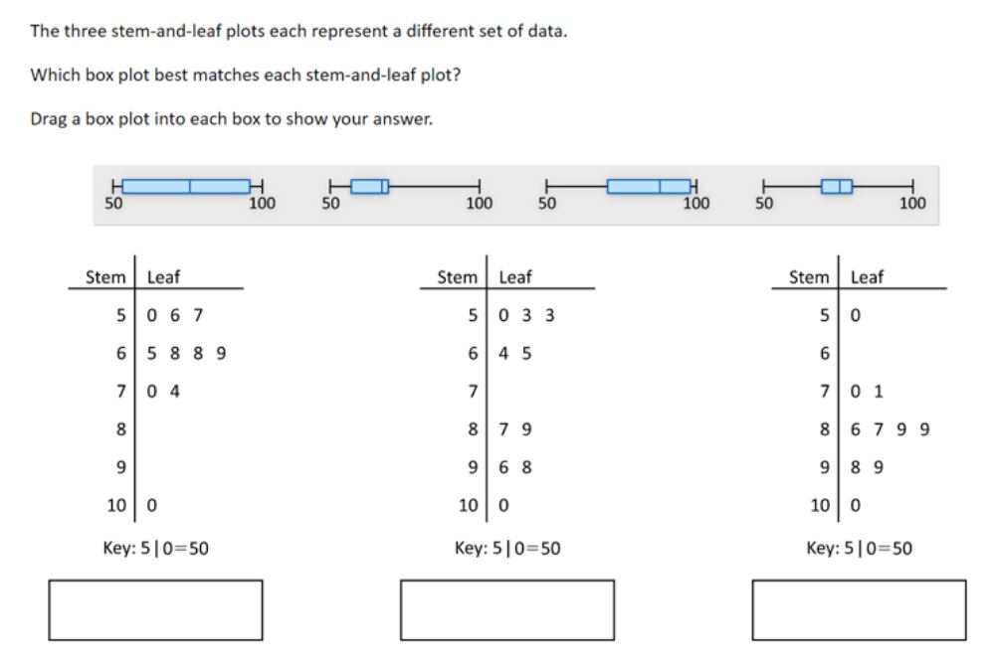 |  | Correct: Three box plots correctly placed Partial: Two box plots correctly placed | No student responses are available for this question. | Incorrect: Fewer than two box plots correctly placed | 8 | 2017 | 8M3 | SR (Selected Response) | Hard | Correct: 20% Incorrect: 62% Partial: 16% Omitted: 1% Off task: rounds to zero

Compare the means of two sets of data (calculator available) | Joseph's current test scores, in points, are 83, 97, 80, 87, and 93. He earns 100 points on his sixth test.. By how many points does Joseph's mean (average) test score increase with sixth test? A. 2 B. 3 C. 6 D. 12 E. 20 | The correct answer is: A. 2 |  |  |  | 8 | 2017 | 8M9 | MC (Multiple Choice) | Hard | A: 33% (correct) B: 11% C: 24% D: 19% E: 13% Omitted: 1%

Use theoretical probability to predict an outcome (calculator available) | 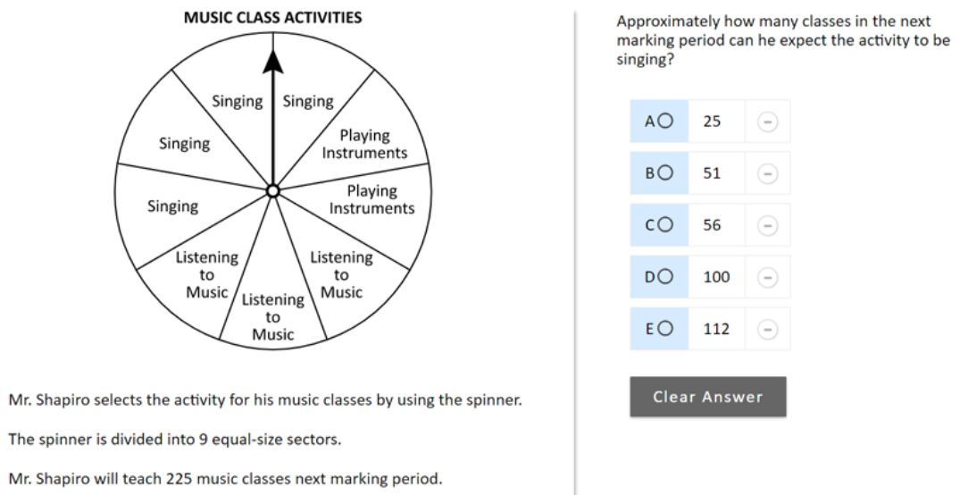 | The correct answer is: D. 100 |  |  |  | 8 | 2017 | 8M9 | MC (Multiple Choice) | Hard | A: 25% B: 12% C: 25% D: 31% (correct) E: 6% Omitted: 1%

